Bug report
Bug name: | The weight that elevator can lift does not correspond to the maximum weight presented insade the lift
Description: | Warrning description says that the maximum weight of the elevator can lift 4 people or 400 kg and the wight in the elevator is 350 kg and elevator doesn’t working. Elevator closed the door and try to work but stuck between floor.
Steps to reproduce: | press one of the buttons to call the elevator
 | Wait for elevator
 | When elevator Is descend or rises wait for sound
 | After the sound wait for automatic door to open
 | Walk in elevator with 3 more people with their weight aprx 90 kg each
 | Press some floor buttons to start the elevator

Expected result: | Elevator is lifted you on the wanted floor

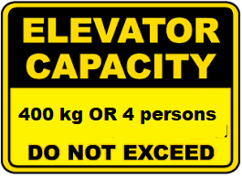
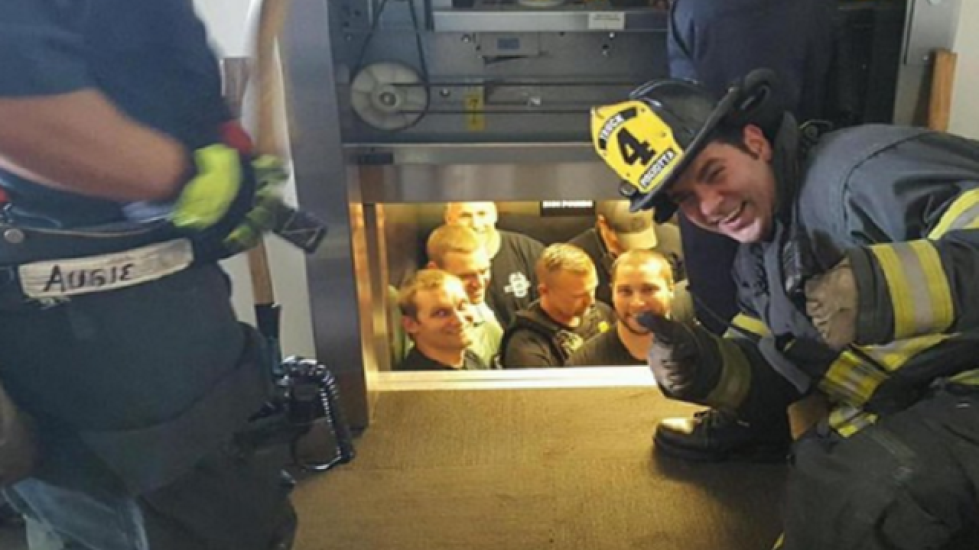
Actual result: | Elevetor close the door and try to lift,but stuck between the floor
Screenshot:

Repro rate | 68%

Priority | 50%
Severity | 100% (accusation, people get scared, need help for exit from elevator)

